Inclusion Exclusion Criteria
 | Dataset | Table | Variable | Criteria | Remarks
Identifier for data linkage
 |  |  | subject_id |  | only the first admission was included (e.g. a patient who has an IHCA after an initial OHCA will only be counted once)
 |  |  | hadm_id
 |  |  | stay_id
Inclusion criteria
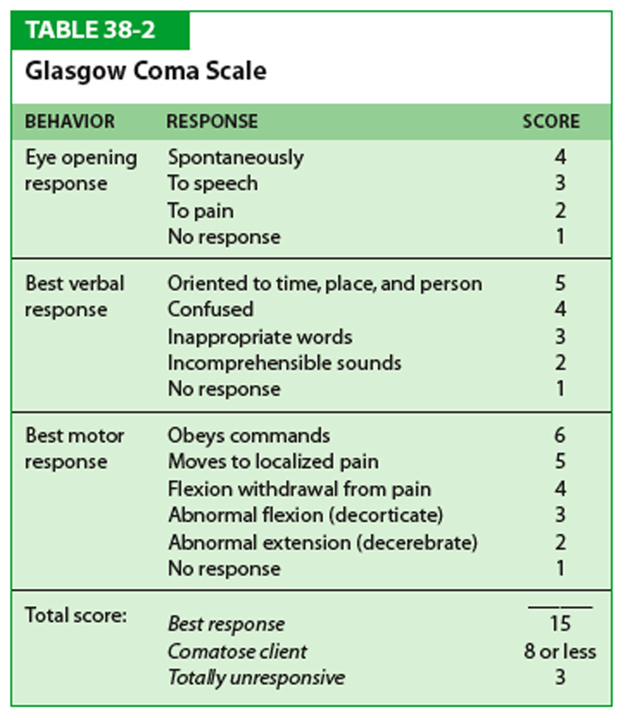
Age >= 18 | mimiciv.mimic_core | patients | anchor_age | >=18 | anchor_year, anchor_year_group | INCLUDED
Cardiac arrest | mimiciv.mimic_hosp | d_icd_diagnoses | icd_code | 427.5 (ICD-9), I46.2, I46.8, I46.9(ICD-10) | long_title: Cardiac arrest, Cardiac arrest due to underlying cardiac condition, Cardiac arrest due to other underlying condition, Cardiac arrest, cause unspecified Codes from block I46 are only assigned where a resuscitation intervention is undertaken, regardless of the patient outcome. Codes in this block exclude cardiogenic shock (R57.0). | INCLUDED
comatose state (Glasgow Coma Scale score ≤6) | mimiciv.mimic_icu | chartevents | itemid | 220739 "GCS - Eye Opening", 223901 "GCS - Motor Response", 223900 "GCS - Verbal Response" | The Score (sum of the 3) cannot be calculated if one or other of the component criteria is not testable (NT) under values. | INCLUDED GCS_motor + GCS_eyes <=5
 |  |  | valuenum
successfully resuscitated |  |  |  | 4275 (ICD-9), I46.0, I46.2, I46.8, I46.9(ICD-10) | if there is documentation of an underlying cause, assign a code for the underlying cause only • if there is no documentation of an underlying cause, assign I46.0 Cardiac arrest with successful resuscitation.

Exposure
Targeted temperature management (TTM) | mimiciv.mimic_hosp | d_icd_procedures | icd_code | "6A4 " 10 "Extracorporeal or Systemic Therapies, Physiological Systems, Hypothermia" "9981 " 9 "Hypothermia (central) (local)" "6A4Z1ZZ" 10 "Hypothermia, Multiple" "6A4Z0ZZ" 10 "Hypothermia, Single" | I think everything except "3962 " 9 "Hypothermia (systemic) incidental to open heart surgery Precise documentation of targeted TTM was not available in the MIMIC III. A study developed a TTM identification algorithm based on temporal trends in body temperatures over the first 24 h; using this method, they classified 531 patients as having received TTM during the observation period. (https://lcicm.jhmi.edu/files/CA_prognostication.pdf) | first time those on Arctic reached our predefined range
normothermia |  |  |  |  | A core temperature range of 36.5°C to 37.5°C
Temperature | mimic_icu | d_items | itemid | 223762 "Temperature Celsius" |  | First 24 hour temp readings
 | mimic_icu | chartevents | itemid = 223762 |  | A lot of wrong entry and i think some temperature in C some is in Farenheit (>90-100+). Problem is when I restrict T between 33-38 seems like very little readings.

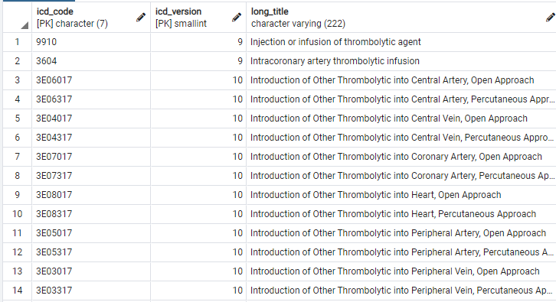
Exclusion Criteria |  |  |  |  | Patients were selected based on the following criteria: >18 years old, admitted to the ICU after CA, remained in the ICU for > 24 h, were mechanically ventilated, all three principal outcomes recorded, and had available PTS24 signals. We included only postCA patients who were mechanically ventilated as they represent a subset with higher severity of illness in whom prognostication is most relevant. (https://lcicm.jhmi.edu/files/CA_prognostication.pdf) | To make our task simpler, we can refer to the exclusion criteria stated at left instead.
passed away within 24 hours | mimic_icu | icustays | intime | <24h | 24h death from icu admission and not hospital admission right? - Yes | EXCLUDED
 | mimic_core | admissions | deathtime
pregnancy |  |  |  | pregnant icd codes? is there any other place can see pregnancy status | I think probably ICD code of CA has enabled us to exclude those CA with pregnancy. | NA
thrombolytic therapy | mimic_icu |  |  | itemid = 227056 "Thrombolytic therapy" | 0 results in chartevent and procedureevents | NO RECORDS
 | mimic_hosp | procedures_icd | icd_code icd_version | mimic_hosp.d_icd_procedures, LIKE '%thrombolytic%' | All? | EXCLUDED ALL CODES with 'thrombolytic' in icd_procedures based on hadm_id
 | mimic_hosp | pharmacy/emar | medication |  | no result for 'streptokinase' or 'streptas' or 'kabikinase' | NOT FOUND

refractory cardiogenic shock |  |  |  | R570 (ICD 10), 78551 (ICD9) | R57.0, I think by selecting the ICD code of CA has enabled us to exclude those with cardiogenic shock. | EXCLUDED based on hadm_id
hypoxemia |  |  |  | 799.02 (ICD-9), R09.02 (ICD-10) | defined as arterial oxygen saturation (SaO2) <90% | NOT FOUND
chronic kidney failure |  |  |  | 585.4, 585.5, 585.6, 585.9 (ICD-9) N18.4, N18.5, N18.9, N19 (ICD-10) |  | EXCLUDED based on hadm_id
chronic liver failure |  |  |  | K72.10 | Not too sure about he ICD codes | EXCLUDED based on hadm_id
known preexisting neurological disease |  |  |  |  | There are a long list of neurological diseases. We may consider remove this exclusion criteria? | NA
less than 20 consecutive minutes of spontaneous circulation after resuscitation? |  |  |  | ICD-10 G00-G99 https://icdcodelookup.com/icd-10/common-codes/neurology; ICD9 320 - 389 https://icd.codes/icd9cm/chapter6 | Remove this exclusion criteria as I think those cases might pass away within 24 hours | NA

Outcome
In-hospital mortality | mimic_core | admissions | deathtime
neurological outcome based on mGCS on hospital discharge | mimiciv.mimic_icu | chartevents | itemid | gcs_motor at discharge? "GCS - Motor Response", 223900 | Cerebral Performance Category score of 1 or 2 (Good); CPC scores 3, 4, or 5 (poor) was not recorded in MIMIC III. A study defined a surrogate neurological outcome based on the motor subscore of the GCS (mGCS) recorded at discharge, dichotomized as follows: mGCS of 6 (favorable outcome), mGCS<=5 (unfavorable outcome). (https://lcicm.jhmi.edu/files/CA_prognostication.pdf)
length of ICU stay | mimic_icu | icustays | los
Functional status based on discharge location | mimic_core | admissions | discharge_location | There are 14 different categories | defined a surrogate functional status based on hospital discharge location (DL), dichotomized as follows: discharge location of home or acute rehabilitation (favorable outcome), other location (unfavorable outcome)

Covariates
Gender | mimic_core | patients | gender |  |  | Extracted
race | mimic_core | admissions | ethnicity |  |  | Extracted
Age | mimic_derived | age | age |  |  | Extracted
BMI | mimic_icu | inputevents | patientweight |  | closest to the first 24h ICU admission) | 0.3% missing
 | mimic_derived | derived | height |  |  | 26% missing
HR, BP, SPO2, temp from derived --> vitalsign
HR | mimic_derived | vitalsign |  |  | min, max mean | extracted min, max, average in first 24 hours
sbp, dbp, mbp | mimic_derived | vitalsign |  |  | There are 17 codes for BP but i think these 3 are the main ones. Can try the other codes if too many null values.
SpO2 | mimic_derived | vitalsign |  |  | min, max mean
Initial cardiac arrest rhythm | mimic_derived | rhythm |  |  | initial so closest to admission to icu | Extracted first rhythm recorded and number of unique rhythm type in first 24 hour
Comorbidities | mimic_derived | charlson | charlson_comorbidity_index |  |  | Extracted
day of the week of the cardiac arrest | mimic_icu | icustays | intime |  | Is 1st day of ICU admission better | isWeekend of ICU in date

Data Missingness
